Sample Data
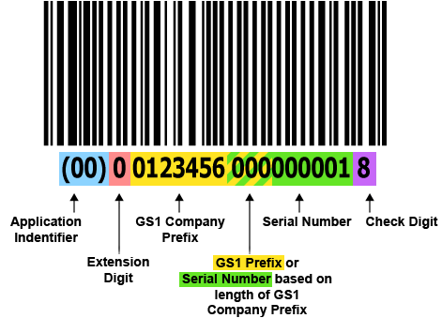
Product Name | Manufacturer | Quantity | Mfg Date | Exp Date | Storage Conditions | Batch Numbers | Serial Number
OPV | Bharat Biotech | 5000 | 01/06/2020 | 01/12/2022 | -2 to 2 | OPV01BB | 00112020000001 - 00112020005000
OPV | Bharat Biotech | 5000 | 01/06/2020 | 01/12/2022 | -2 to 2 | OPV02BB | 00112020005001 - 00112020010000
OPV | Bharat Biotech | 5000 | 01/06/2020 | 01/12/2022 | -2 to 2 | OPV03BB | 00112020010001 - 00112020015000
OPV | Bharat Biotech | 5000 | 01/06/2020 | 01/12/2022 | -2 to 2 | OPV04BB | 00112020015001 - 00112020020000
OPV | Bharat Biotech | 5000 | 01/06/2020 | 01/12/2022 | -2 to 2 | OPV05BB | 00112020020001 - 00112020025000

